Sheet1
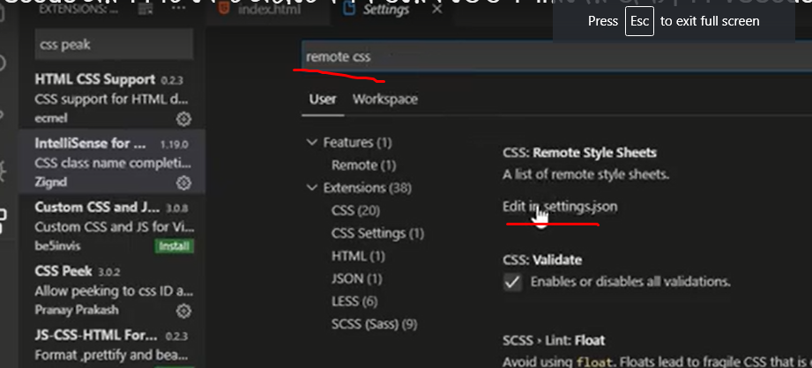
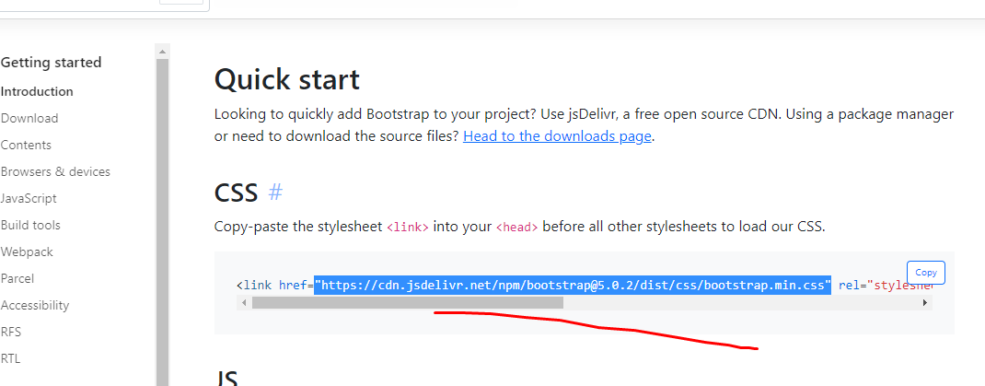
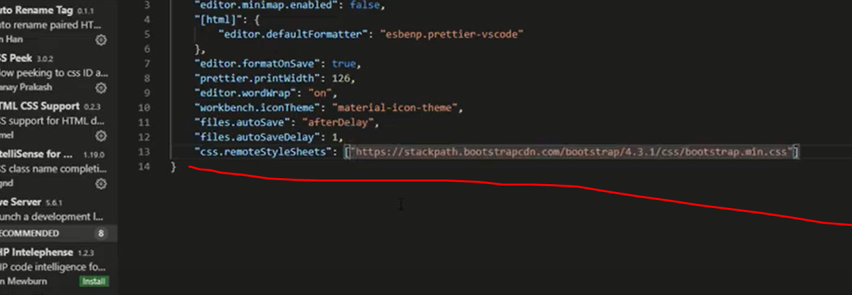
theme extention
============
pretti install
#NAME?
#NAME?
#NAME?
#NAME?
metarial icon theme install
Auto rename tage install
live server install
#NAME?
live server preview install
css peek install
intellisense for class name isntall
html css support instal

bootstrap code auto ante

